Motivation
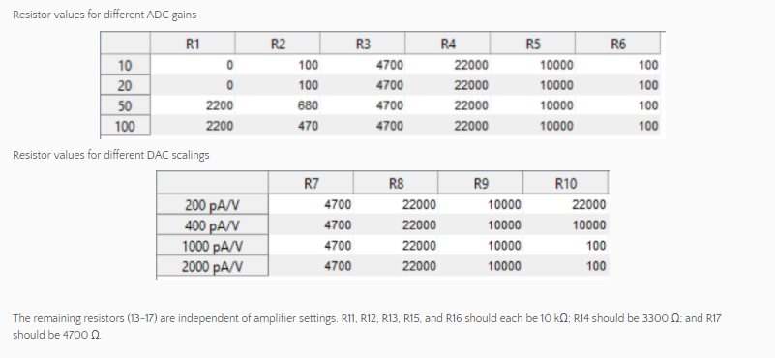

In the manuscript, we gave resistor values suitable for our own patch clamp amplifier: Multiclamp 700B with a 500 MΩ feedback resistor and a current clamp gain of 10 (the latter two numbers are set in the Multiclamp Commander software). This amplifier with these settings amplifies the membrane potential by 100x at its scaled output (so that a membrane potential equal to -70 mV results in an output signal of -7.0 V) and uses a scaling of 400 pA/V to interpret signals at its command input (a change of -20 mV at the command input changes the injected current by -8 pA).

 | From other sheets, here are the calculated parameters from calibration;
inputSlope | 5.921626384
inputIntercept | -12599.722853
outputSlope | 1488.6219529
outputIntercept | 2361.344089

Calibration Input
Input your input gain (column C), the related resistor values (column E), upload the Arduino sketch 'passthrough', disconnect the USB, connect the power supply (18V), input the stated voltage in column H into Vin (or a simular range; if your values are different, change the values of column H), measure the voltage at the teensy DAQ input (pin D-10 on the breadboard).

Source: | Patch Clamp Software | Stated | Chosen/Input | Calculated | Calculated | Input | Measured | Calculated | Calculated | Calculated | Calculated | Calculated | Calculated | Calculated
What: | gain_INPUT | Resistor # | Resistor Value | Expected Slope EQ1 | Expected Intercept EQ1 | Vin | Vout (DAC0) | Vout (ADC) | Input Slope | Input Intercept | Range | Rquared | Goodness of Slope | Goodness of Intercept
Comment: | The feedback resistor and current clamp gain set in software (probably) calculate to in this |  | Choose Resistor values for ADC and DAC gains (see Calibration on website) | The chosen resistors create an expected slope for converting the mV to an ADC value | The chosen resistors create an expected intercept for converting the mV to an ADC value | Input a constant voltage into Vin roughly simular to these values, but update these values to reflect what you input | Measure the voltage out of the DAQ. | Convert to ADC | We calculate the input slope based on our measurements. INPUT THIS INTO THE CALIBRATION SECTION OF THE MAIN FILE | We calculate the input intercept based on our measurements. INPUT THIS INTO THE CALIBRATION SECTION OF THE MAIN FILE | Equation 1 (Vm) with ADC set to zero and Equation 1 (Vm) with ADC set to max (4095) | A measure of how truly linear is this? Want close to 1. | A measure of how good your circuit is, want this value below 5% | A measure of how good your circuit is, want this value below 5%
Unit: | mV/mV | Unit | Ohm | mV/ADC | mV | V | V | None (0-4095) | mV/ADC | mV | mV | Unitless | % | %
 | 100 | R1 | 2200 | 5.5009873211 | -10922.727273 | 0 | 1.685 | 2090.9318182 | 5.921626384 | -12599.722853 | -125.99722853 | 0.99836391753 | 7.6466102967 | 15.353267899
 |  | R2 | 470 |  |  | -0.5 | 1.672 | 2074.8 |  |  | 116.4933719
 |  | R3 | 4700 |  |  | -1.45 | 1.538 | 1908.5181818
 |  | R4 | 22000 |  |  | -2.39 | 1.401 | 1738.5136364
 |  | R5 | 10000 |  |  | -3.01 | 1.314 | 1630.5545455
 |  | R6 | 100 |  |  | -4.07 | 1.161 | 1440.6954545
 |  | R7 | 4700 |  |  | -4.94 | 1.037 | 1286.8227273
 |  | R8 | 22000 |  |  | 4.97 | 2.407 | 2986.8681818
 |  | R9 | 10000 |  |  | 4.05 | 2.273 | 2820.5863636
 |  | R10 | 10000 |  |  | 3.22 | 2.151 | 2669.1954545
Vin vs Vout
 |  |  |  |  |  | 2.06 | 1.983 | 2460.7227273
 |  |  |  |  |  | 1.06 | 1.839 | 2282.0318182
 |  |  |  |  |  | 0.51 | 1.763 | 2187.7227273

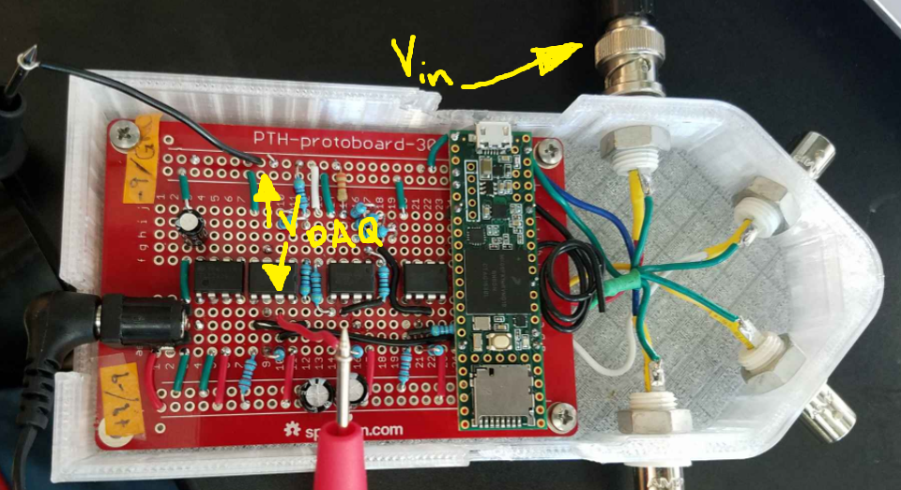

 |  |  |  |  |  |  | I used a DC power supply to input a range of voltages (column H) into Vin (through the BNC on top). I then measured the voltage across pin D10 on the breadboard and GND.

Calibration Output
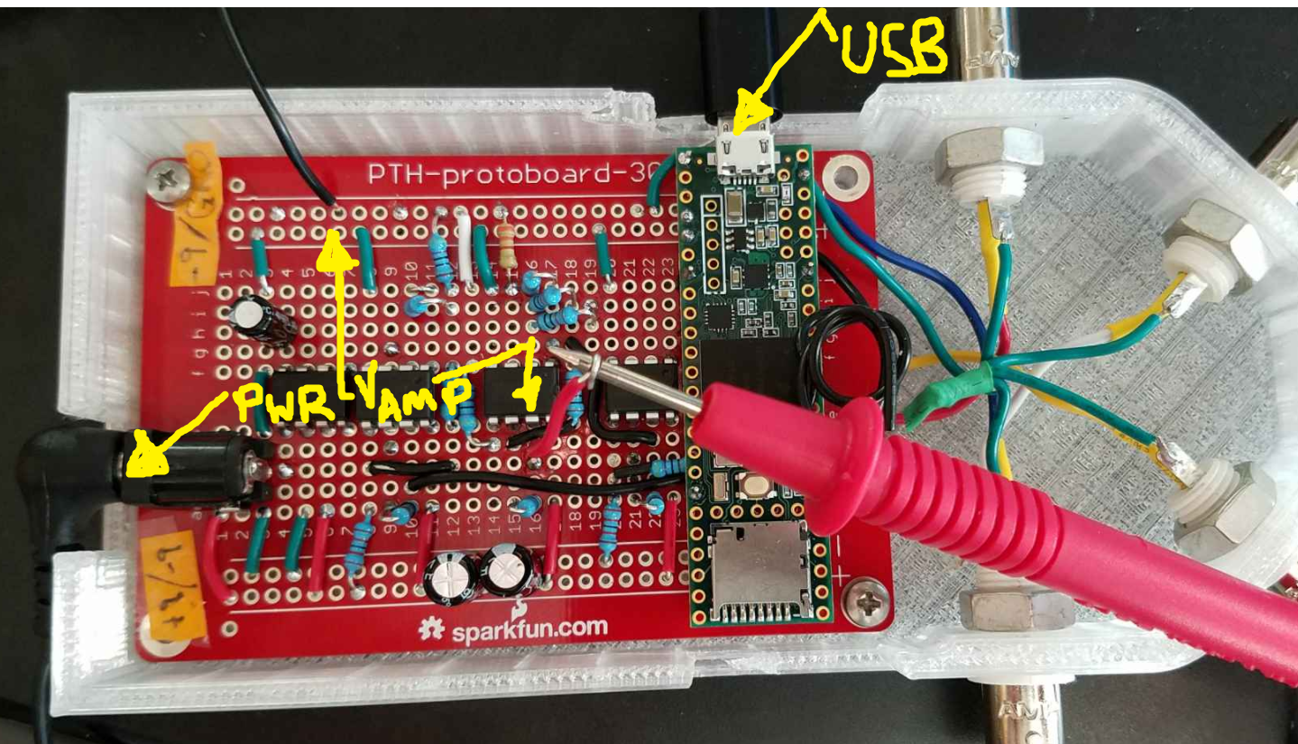
Input your output gain (column C), the related resistor values (column E), upload the Arduino sketch 'specifyoutput', specify the port the teensy is connected to, open up serial monitor, connect the power supply (18V), input the column H into the serial port, measure the voltage at the teensy DAQ input (pin D-10 on the breadboard).

Source: | Patch Clamp Software | Stated | Chosen/Input | Calculated | Calculated | Stated | Measured | Calculated | Calculated | Calculated | Calculated | Calculated | Calculated
What: | gain_OUTPUT | Resistor # | Resistor Value | Expected Slope EQ2 | Expected Intercept EQ2 | DAC | Vamp | IDC | Output Slope | Output Intercept | Rquared | Goodness of Slope | Goodness of Intercept
Comment: | Set in software (probably) |  | Choose Resistor values for ADC and DAC gains (see Calibration on website) | The chosen resistors create an expected slope for converting the the DAC to a current I_DC value | The chosen resistors create an expected intercept for converting the DAC to a current I_DC value | Input these values into the serial monitor when the specifyoutput.ino is loaded | Then measure the voltage at Vamp | This calculates the current per the gain_OUTPUT of your sytem | These are the measured slope values of your DAC to V. INPUT THIS INTO THE CALIBRATION SECTION OF THE MAIN FILE | These are the measured intercept values of your DAC to V. INPUT THIS INTO THE CALIBRATION SECTION OF THE MAIN FILE | A measure of how truly linear is this? Want close to 1. | A measure of how good your circuit is, want this value below 5% | A measure of how good your circuit is, want this value below 5%
Unit: | pA/V | Unit | Ohm | DAC/V | DAC | 0-4095 | V | pA | DAC/V | pA | Unitless | % | %
 | 400 | R1 | 2200 | 753.00619835 | 2385.9297521 | 0 | -1.593 | -637.2 | 1488.6219529 | 2361.344089 | 0.99991885942 | 97.69 | -1.03
 |  | R2 | 470 |  |  | 410 | -1.314 | -525.6
 |  | R3 | 4700 | Divide by gain |  | 820 | -1.043 | -417.2
 |  | R4 | 22000 | 1.8825154959 |  | 1230 | -0.755 | -302
 |  | R5 | 10000 |  |  | 1640 | -0.476 | -190.4
 |  | R6 | 100 |  |  | 2050 | -0.202 | -80.8
 |  | R7 | 4700 |  |  | 2460 | 0.071 | 28.4
 |  | R8 | 22000 |  |  | 2870 | 0.343 | 137.2
 |  | R9 | 10000 |  |  | 3280 | 0.622 | 248.8
 |  | R10 | 10000 |  |  | 3690 | 0.897 | 358.8
 |  |  |  |  |  | 4095 | 1.146 | 458.4
I_DC vs DAC

